D̳ashboard

XBOX GAME PASS SUBSCRIPTIONS SALES
Calculation period: 01/01/2024 - 31/12/2024 | Update date: 31/12/2024 17:07


R$ 600,00
TOTAL SUBSCRIPTIONS EA PLAY SEASON PASS
R$ 940,00
TOTAL SUBSCRIPTIONS MINECRAFT SEASON PASS

Bem vindo(a) de volta
Gorillaz

 | Total
No | R$217.00
Yes | R$1,537.00
TOTAL SUBSCRIPTIONS XBOX GAME PASS
 | Total
No | R$217.00
Yes | R$1,537.00
TOTAL SUBSCRIPTIONS XBOX GAME PASS IN GRAPHIC

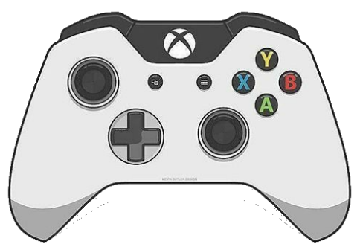

 | Total
No | R$217.00
Yes | R$1,537.00
TOTAL SUBSCRIPTIONS XBOX GAME PASS IN LINE

Você está conectado como:
Jogador 1

